Table S3
Supplementary Table 3. Metabolites production parameters by SPC |  |  |  |  |  |  |  |  |  | Visualization Average Production Rate
Microorganism | Model | Model ID | Metabolite | Average growth rate (1/h) | Average production rate (mmol/gDW h) | Molecular weight | Yp,x | Reference |  |  | S. elongatus - E. coli W | S. elongatus - E. coli K-12 MG 1655 | S. elongatus - Bacillus subtilis | S. elongatus - Yarrowia lipolytica | E. coli W | E. coli W* | E. coli K-12 MG 1655 | E. coli K-12 MG 1656* | Bacillus subtilis | Bacillus subtilis* | Yarrowia lipolytica | Yarrowia lipolytica*
S. elongatus - E. coli W | Community | iCZ-Se-EcW(2157) | Butanal | 0.1 | 0.4000 | 74 | 0.00296 |  |  | Butanal | 0.4000 | 0.2500 | 0.0000 | 0.0000 | 0.2500 | 0.0000 | 0.4000 | 0.0084 | 0.0000 | 0.0000 | 0.0000 | 0.0100
S. elongatus - E. coli K-12 MG 1655 | Community | iCZ-Se-EcK-12(2152) | Butanal | 0.1 | 0.2500 | 74 | 0.00185 |  |  | Ethanol | 0.6000 | 0.4000 | 1.2000 | 0.2000 | 0.3000 | 0.4900 | 0.2000 | 0.4800 | 0.1000 | 0.0380 | 0.0000 | 0.0000
S. elongatus - Bacillus subtilis | Community | iCZ-Se-Bs(1629) | Butanal | 0 | 0.0000 | 74 | 0.00000 |  |  | Succinate | 0.3500 | 0.2000 | 0.5000 | 0.1000 | 0.4100 | 0.0025 | 1.5000 | 0.1530 | 0.0000 | 0.0000 | 0.2500 | 0.1060
S. elongatus - Yarrowia lipolytica | Community | iCZ-Se-Yl(1686) | Butanal | 0 | 0.0000 | 74 | 0.00000
S. elongatus - E. coli W | Community | iCZ-Se-EcW(2157) | Ethanol | 0.95 | 0.6000 | 46 | 0.02622
S. elongatus - E. coli K-12 MG 1655 | Community | iCZ-Se-EcK-12(2152) | Ethanol | 0.1 | 0.4000 | 46 | 0.00184 |  |  | Experimental and predicted productivities. Asteriscs indicate experimental data obtained for engineered strains under monoculture conditions.
S. elongatus - Bacillus subtilis | Community | iCZ-Se-Bs(1629) | Ethanol | 0.13 | 1.2000 | 46 | 0.00718
S. elongatus - Yarrowia lipolytica | Community | iCZ-Se-Yl(1686) | Ethanol | 0.95 | 0.2000 | 46 | 0.00874
S. elongatus - E. coli W | Community | iCZ-Se-EcW(2157) | Formaldehyde | 0.11 | 0.5000 | 30 | 0.00165
S. elongatus - E. coli K-12 MG 1655 | Community | iCZ-Se-EcK-12(2152) | Formaldehyde | 0.11 | 0.5000 | 30 | 0.00165
S. elongatus - Bacillus subtilis | Community | iCZ-Se-Bs(1629) | Formaldehyde | 0 | 0.0000 | 30 | 0.00000
S. elongatus - Yarrowia lipolytica | Community | iCZ-Se-Yl(1686) | Formaldehyde | 0 | 0.0000 | 30 | 0.00000
S. elongatus - E. coli W | Community | iCZ-Se-EcW(2157) | Succinate | 0.1 | 0.3500 | 118 | 0.00413
S. elongatus - E. coli K-12 MG 1655 | Community | iCZ-Se-EcK-12(2152) | Succinate | 0.1 | 0.2000 | 118 | 0.00236
S. elongatus - Bacillus subtilis | Community | iCZ-Se-Bs(1629) | Succinate | 0.14 | 0.5000 | 118 | 0.00826
S. elongatus - Yarrowia lipolytica | Community | iCZ-Se-Yl(1686) | Succinate | 0.98 | 0.1000 | 118 | 0.01156
E. coli W | Monoculture | iECW1372 | Butanal | 0.01 | 0.2500 | 74 | 0.00019
E. coli W* | Monoculture | Engineered strain | Butanal |  | 0.0000 | 74 | 0.00000 | No data
E. coli K-12 MG 1655 | Monoculture | iML1515 | Butanal | 0.09 | 0.4000 | 74 | 0.00266
E. coli K-12 MG 1656* | Monoculture | Engineered strain | Butanal | 0.11 | 0.0084 | 74 | 0.00007 | Dellomonaco et al., 2011
Bacillus subtilis | Monoculture | iYO844 | Butanal | 0 | 0.0000 | 74 | 0.00000
Bacillus subtilis* | Monoculture | Engineered strain | Butanal | 0 | 0.0000 | 74 | 0.00000 | No data
Yarrowia lipolytica | Monoculture | iYali4 | Butanal | 0 | 0.0000 | 74 | 0.00000
Yarrowia lipolytica* | Monoculture | Engineered strain | Butanal | 0.16 | 0.0100 | 74 | 0.00012 | Yu et al., 2018
E. coli W | Monoculture | iECW1372 | Ethanol | 0.1 | 0.3000 | 46 | 0.00138
E. coli W* | Monoculture | Engineered strain | Ethanol | 0.37 | 0.4900 | 46 | 0.00834 | Monk et al., 2016
E. coli K-12 MG 1655 | Monoculture | iML1515 | Ethanol | 0.08 | 0.2000 | 46 | 0.00074
E. coli K-12 MG 1656* | Monoculture | Engineered strain | Ethanol | 0.5 | 0.4800 | 46 | 0.96000 | Hildebrand et al., 2013 |  | Example Calculations |  | Ethanol | Butanal | Butanal | B10NUMB3R5 (https://bionumbers.hms.harvard.edu/search.aspx?trm=dry+weight+to+wet+weight) |  | 0.22941176471
Bacillus subtilis* | Monoculture | iYO844 | Ethanol | 0.1 | 0.1000 | 46 | 0.00046 |  |  |  | Units | wet weight | wet weight | wet weight | dry weight |  | 0.0045882352941
Bacillus subtilis | Monoculture | Engineered strain | Ethanol | 0.16 | 0.0380 | 46 | 0.00028 | Romero et al., 2007 |  | Time | h | 24 | 36 | 24
Yarrowia lipolytica | Monoculture | iYali4 | Ethanol | 0 | 0.0000 | 46 | 0.00000 |  |  | Final Biomass | g/L | 0.4 | 1.4 | 1 | 0.091764705882 | 0.32117647059
Yarrowia lipolytica* | Monoculture | Engineered strain | Ethanol | 0 | 0.0000 | 46 | 0.00000 | No data |  | Initial Biomass | g/L | 0.02 | 0.02 | 0.02 | 0.0045882352941 | 0.0045882352941
E. coli W* | Monoculture | iECW1372 | Succinate | 0.025 | 0.4100 | 118 | 0.00121 |  |  | Growth rate | u | 0.12482217806 | 0.11801375672 | 0.16300095856
E. coli W | Monoculture | Engineered strain | Succinate | 0.43 | 0.0025 | 118 | 0.00013 | Chan et al., 2012
E. coli K-12 MG 1655 | Monoculture | iML1515 | Succinate | 0.09 | 1.5000 | 118 | 0.01593
E. coli K-12 MG 1656* | Monoculture | Engineered strain | Succinate | 0.47 | 0.1530 | 118 | 0.00849 | Mienda et al., 2018
Bacillus subtilis | Monoculture | iYO844 | Succinate | 0 | 0.0000 | 118 | 0.00000 |  |  | Final product | g/L | 0.5 | 13 | 0.00008
Bacillus subtilis* | Monoculture | Engineered strain | Succinate | 0 | 0.0000 | 118 | 0.00000 | No data |  | Initial product | g/L | 0.01 | 0.01 | 0.000001
Yarrowia lipolytica | Monoculture | iYali4 | Succinate | 0.04 | 0.2500 | 118 | 0.00118
Yarrowia lipolytica* | Monoculture | Engineered strain | Succinate | 0.092 | 0.1060 | 118 | 0.00115 | Cui et al., 2017 |  |  | g/Lh | 0.16300095856 | 0.19916998732 | 0.18258444311
Formaldehyde was not produced by any of the strains under monoculture conditions |  |  |  |  |  |  |  |  |  |  | mmol/L/h | 0.0035434990991 | 0.0026914863151 | 0.0024673573393
Color code of the yield is given by metabolite considering all yields under monoculture and coculture |  |  |  |  |  |  |  |  |  |  | mmol/g/h | 0.038615054285 | 0.0083800855965 | 0.010755147377

Phase planes of metabolite production by all SPCs
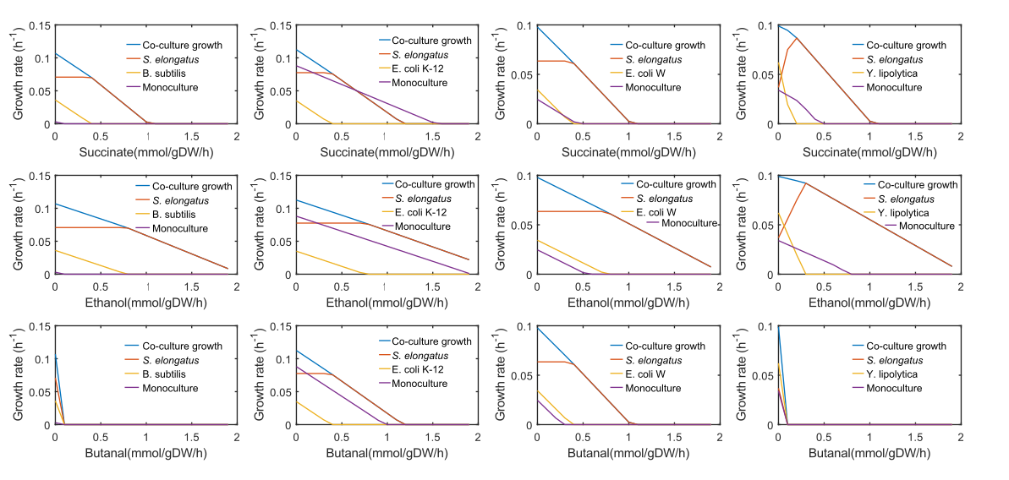

References
Mienda, B. S., Saidu Jibril, U. A., Muhammad, A., Salihu, R., & Adamu, A. (2018) Enhanced Succinic Acid Production in Escherichia coli by Model-Guided Metabolic Gene Knockout of pflA Using Glucose Carbon Source.
Chan, S., Kanchanatawee, S., & Jantama, K. (2012). Production of succinic acid from sucrose and sugarcane molasses by metabolically engineered Escherichia coli. Bioresource technology, 103(1), 329-336.
Cui, Z., Gao, C., Li, J., Hou, J., Lin, C. S. K., & Qi, Q. (2017). Engineering of unconventional yeast Yarrowia lipolytica for efficient succinic acid production from glycerol at low pH. Metabolic engineering, 42, 126-133.
Hildebrand, A., Schlacta, T., Warmack, R., Kasuga, T., & Fan, Z. (2013). Engineering Escherichia coli for improved ethanol production from gluconate. Journal of biotechnology, 168(1), 101-106.
Monk, J. M., Koza, A., Campodonico, M. A., Machado, D., Seoane, J. M., Palsson, B. O., ... & Feist, A. M. (2016). Multi-omics quantification of species variation of Escherichia coli links molecular features with strain phenotypes. Cell systems, 3(3), 238-251.
Romero, S., Merino, E., Bolívar, F., Gosset, G., & Martinez, A. (2007). Metabolic engineering of Bacillus subtilis for ethanol production: lactate dehydrogenase plays a key role in fermentative metabolism. Appl. Environ. Microbiol., 73(16), 5190-5198.
Dellomonaco, C., Clomburg, J. M., Miller, E. N., & Gonzalez, R. (2011). Engineered reversal of the β-oxidation cycle for the synthesis of fuels and chemicals. Nature, 476(7360), 355-359.

 |  |  |  |  |  |  |  |  | #REF!

 |  |  |  |  |  |  |  |  | #REF!
 |  |  |  |  |  |  |  |  | #REF!

 |  |  |  |  |  |  |  |  | #REF!

 |  |  |  |  |  |  |  |  | #REF!
 |  |  |  |  |  |  |  |  | #REF!

Table S5
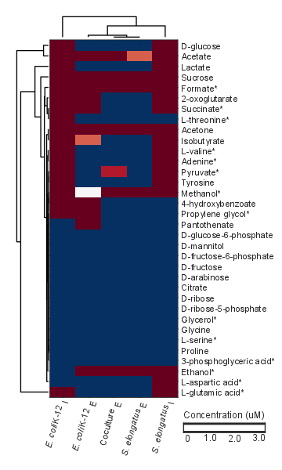
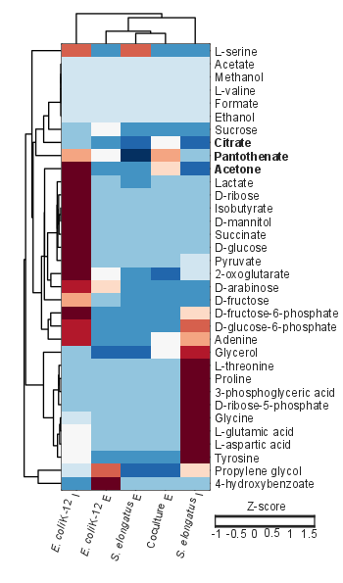
Supplementary Table 5. Measurements of intracellular and extracellular metabolites by NMR and GC-MS
 |  | NMR |  |  |  |  | GC-MS |  |  |  |  |  | Predicted
 |  | Extracellular |  |  | Intracellular |  | Extracellular |  |  | Intracellular |  |  | Exchanged | Production flux
Metabolite | Metabolite ID | E. coli K-12 (μM) | Coculture (μM) | S. elongatus (μM) | E. coli K-12 (μM) | S. elongatus (μM) | E. coli K-12 (Z-score) | S. elongatus (Z-score) | Coculture (Z-score) | E. coli K-12 (Z-score) | S. elongatus (Z-score) | Alternate measured compound | Se-EcK-12 |  | S. elongatus cscB+ | E. coli K-12
2-oxoglutarate | akg | 404.200 | 0.000 | 0.000 | 1269.500 | 46.200 | 0.208 | -0.610 | -0.978 | 2.077 | 0.085 |  |  | -0.078 | -0.091400 | -0.087972
3-phosphoglyceric acid | g3pg | NF | NF | NF | NF | NF | -0.413 | -0.461 | -0.417 | -0.391 | 2.258 | *Acetoacetate | 2.600 | 0.078 | 0.000006 | 0.087932
4-hydroxybenzoate | 4hbz | 12.800 | 0.000 | 0.000 | 31.100 | 0.000 | 2.259 | -0.404 | -0.335 | -0.535 | -0.418 |  |  | 0.000 | 0.000006 | 0.000000
Acetate | ac_ | 424.000 | 2.300 | 3.400 | 10891.700 | 157.900 | NF | NF | NF | NF | NF |  |  | 0.078 | 0.088802 | 0.087933
Acetone* | aact | 7.300 | 4.400 | 7.200 | 710.100 | 10.800 | -0.601 | -0.771 | 0.556 | 1.943 | -0.917 | *Acetoacetate |  | 0.000 | 0.088802 | 0.000000
Adenine* | ade | 0.000 | 0.000 | 0.000 | 238.200 | 64.100 | -0.750 | -0.780 | 0.343 | 1.575 | 1.072 |  | 0.035 | -0.078 | 0.023199 | 0.088012
Citric acid | cit | NF | NF | NF | NF | NF | -0.532 | -0.896 | 0.238 | -0.428 | -0.963 |  |  | -0.078 | 0.047000 | 0.087900
D-arabinose | arab | NF | NF | NF | NF | NF | 0.584 | -0.527 | -0.857 | 1.759 | -0.591 |  |  | -0.078 | 0.047000 | -0.087972
D-fructose | fru_ | NF | NF | NF | NF | NF | -0.510 | -0.591 | -0.586 | 0.953 | -0.546 |  |  | 0.078 | -0.000006 | -0.088011
D-fructose-6-phosphate | f6p_ | NF | NF | NF | NF | NF | -0.528 | -0.528 | -0.528 | 2.069 | 0.571 |  |  | 0.078 | -0.070247 | -0.087932
D-glucose | glc | 0.000 | 0.000 | 0.000 | 12580.200 | 453.700 | -0.469 | -0.504 | -0.499 | 2.212 | -0.343 |  |  | 0.078 | -0.073335 | 0.087893
D-glucose-6-phosphate | g6p | NF | NF | NF | NF | NF | -0.583 | -0.583 | -0.583 | 1.618 | 1.297 |  |  | -0.078 | 0.023176 | 0.087933
D-mannitol | mnl | NF | NF | NF | NF | NF | -0.378 | -0.378 | -0.378 | 2.268 | -0.378 |  |  | 0.000 | 0.023176 | -0.000079
D-ribose* | rib_ | NF | NF | NF | NF | NF | -0.409 | -0.389 | -0.230 | 2.262 | -0.363 |  |  | 0.078 | 0.023176 | 0.088012
D-ribose-5-phosphate | r5p | NF | NF | NF | NF | NF | -0.408 | -0.408 | -0.408 | -0.220 | 2.262 |  |  | -0.078 | 0.023164 | -0.087932
Ethanol | etoh | 13.200 | 13.700 | 18.600 | 0.000 | 257.400 | NF | NF | NF | NF | NF |  | 2.600 | -0.078 | -0.023198 | 0.000000
Formate | for | 1343.200 | 6.500 | 43.300 | 1103.500 | 306.500 | NF | NF | NF | NF | NF |  | 0.359 | 0.078 | -0.004437 | 0.087952
Glycerol* | glyc | NF | NF | NF | NF | NF | -1.166 | -1.175 | 0.331 | -0.372 | 1.599 |  | 1.390 | -0.066 | -0.225684 | 2.400803
Glycine | gly_ | NF | NF | NF | NF | NF | -0.476 | -0.476 | -0.476 | 0.178 | 2.199 |  |  | -0.078 | 0.092988 | -0.087956
Isobutyrate | but_ | 2.300 | 0.000 | 0.000 | 642.500 | 28.900 | -0.378 | -0.376 | -0.378 | 2.268 | -0.378 |  |  | 0.000 | -0.164572 | 0.000040
L-aspartic acid | asp_ | 0.000 | 0.000 | 0.000 | 0.000 | 617.800 | -0.467 | -0.500 | -0.501 | 0.277 | 2.173 |  | 0.018 | -0.078 | -0.164572 | -0.088021
L-glutamic acid | glu_ | 0.000 | 0.000 | 0.000 | 2051.500 | 9854.000 | -0.480 | -0.480 | -0.480 | 0.210 | 2.192 |  | 0.077 | 0.072 | 10.126650 | 0.087922
L-serine | ser_ | NF | NF | NF | NF | NF | -0.585 | 1.535 | -0.585 | 1.390 | -0.585 |  | 1.407 | -0.078 | -0.046450 | 0.088003
L-threonine* | thr_ | 0.000 | 0.000 | 0.000 | 1512.600 | 0.000 | -0.377 | -0.399 | -0.255 | -0.370 | 2.264 |  | 1.550 | -0.078 | 0.053652 | 0.087923
L-valine | val_ | 0.000 | 0.000 | 0.000 | 330.800 | 20.300 | NF | NF | NF | NF | NF |  | 0.068 | 0.078 | 0.053652 | 0.087916
Methanol* | meoh_ | 1.600 | 6.700 | 5.400 | 19.500 | 14.200 | NF | NF | NF | NF | NF |  | -1.55E-07 | -0.078 | -0.007325 | 0.000000
Pantothenate* | pnto | 5.800 | 0.000 | 0.000 | 0.000 | 0.000 | 0.241 | -1.552 | 1.057 | 0.951 | -0.410 |  |  | 0.078 | -0.000006 | 0.000040
Proline | pro | NF | NF | NF | NF | NF | -0.378 | -0.378 | -0.378 | -0.378 | 2.268 |  |  | 0.078 | 0.006440 | -0.087941
Propylene glycol | glyclt | 4.700 | 0.000 | 0.000 | 14.600 | 0.000 | 1.470 | -1.171 | -1.133 | 0.135 | 0.784 | *Glycolate |  | -0.078 | 0.053664 | 0.088012
Pyruvate | pyr | 0.000 | 0.000 | 2.600 | 80.600 | 61.100 | -0.475 | -0.295 | -0.457 | 2.249 | -0.142 |  | 3.267 | 0.078 | 0.213437 | 0.088011
Succinate | succ_ | 5.400 | 0.000 | 0.000 | 1524.300 | 4.000 | -0.241 | -0.409 | -0.391 | 2.263 | -0.429 |  | 36.936 | 0.078 | 0.045103 | 0.088011
Sucrose | sucr_ | 903.500 | 86.000 | 101.500 | 2364.900 | 1552.800 | 0.309 | -0.587 | -0.547 | -0.179 | -0.546 |  |  | -0.078 | 0.027486 | -0.000040
Tyrosine | tyr | 0.000 | 0.000 | 0.000 | 47.300 | 42.400 | -0.546 | -0.546 | -0.546 | 0.247 | 1.936 |  |  | -0.078 | 0.023168 | -0.088017
Lactate | lac | 0.000 | 0.000 | 0.000 | 5142.400 | 113.700 | -0.437 | -0.522 | -0.206 | 2.248 | -0.196 |  | 498 | -0.078 | -0.001261 | 0.087972
Predicted metabolites not detected in NMR and GC-MS: L-arganine, L-isoleucine, L-phenylalanine, and homoserine
*Metabolites more abundant in supernatants of cocultures
Standard error of all measurements is below 10% of the average observed concentration. Measurements obtained from independent samples
 |  |  | Clustergram of NMR metabolite data |  |  |  |  |  | Clustergram of GC-MS metabolite data
 |  | *Metabolites predicted to be exchanged |  |  |  |  |  | In bold metabolites confirmed experimentally with higher production in coculure

